Sheet1
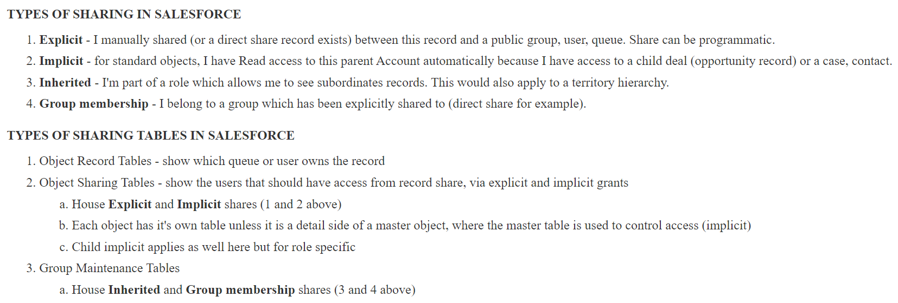
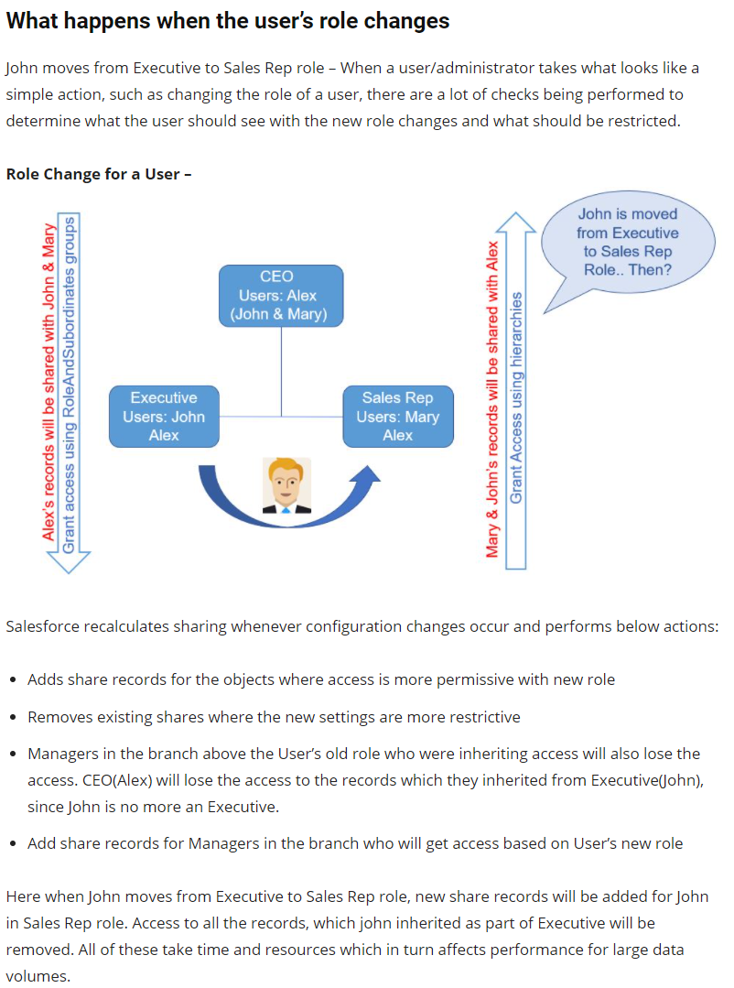
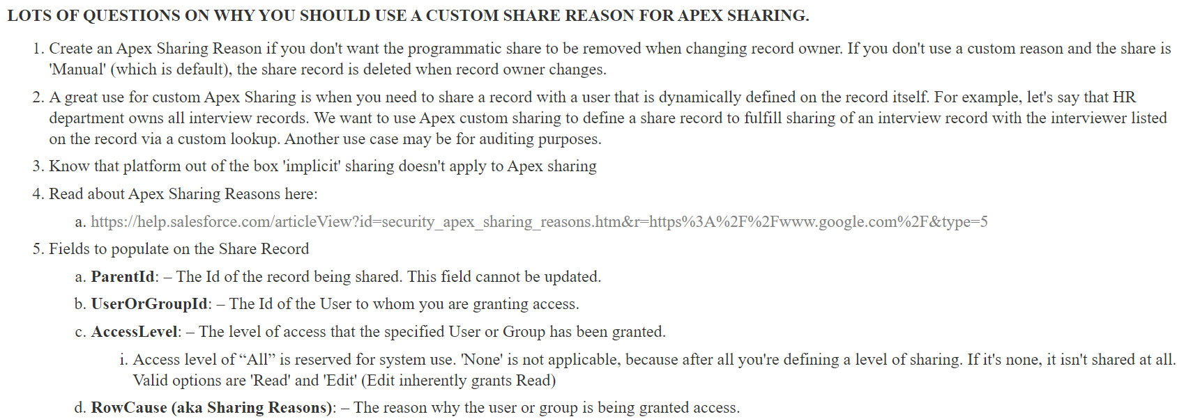
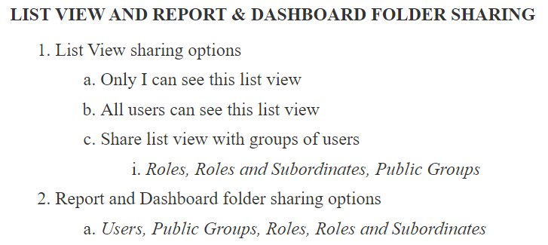
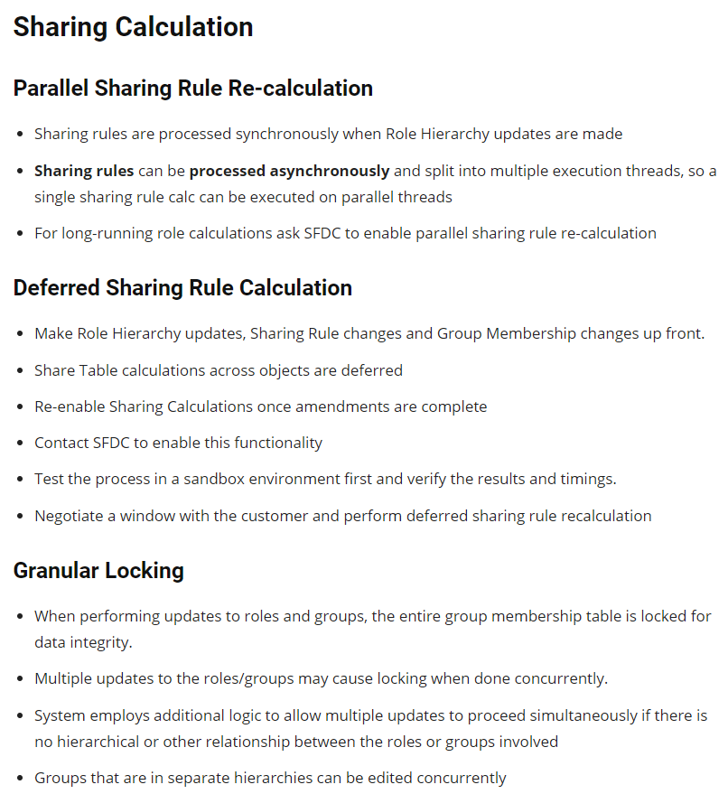
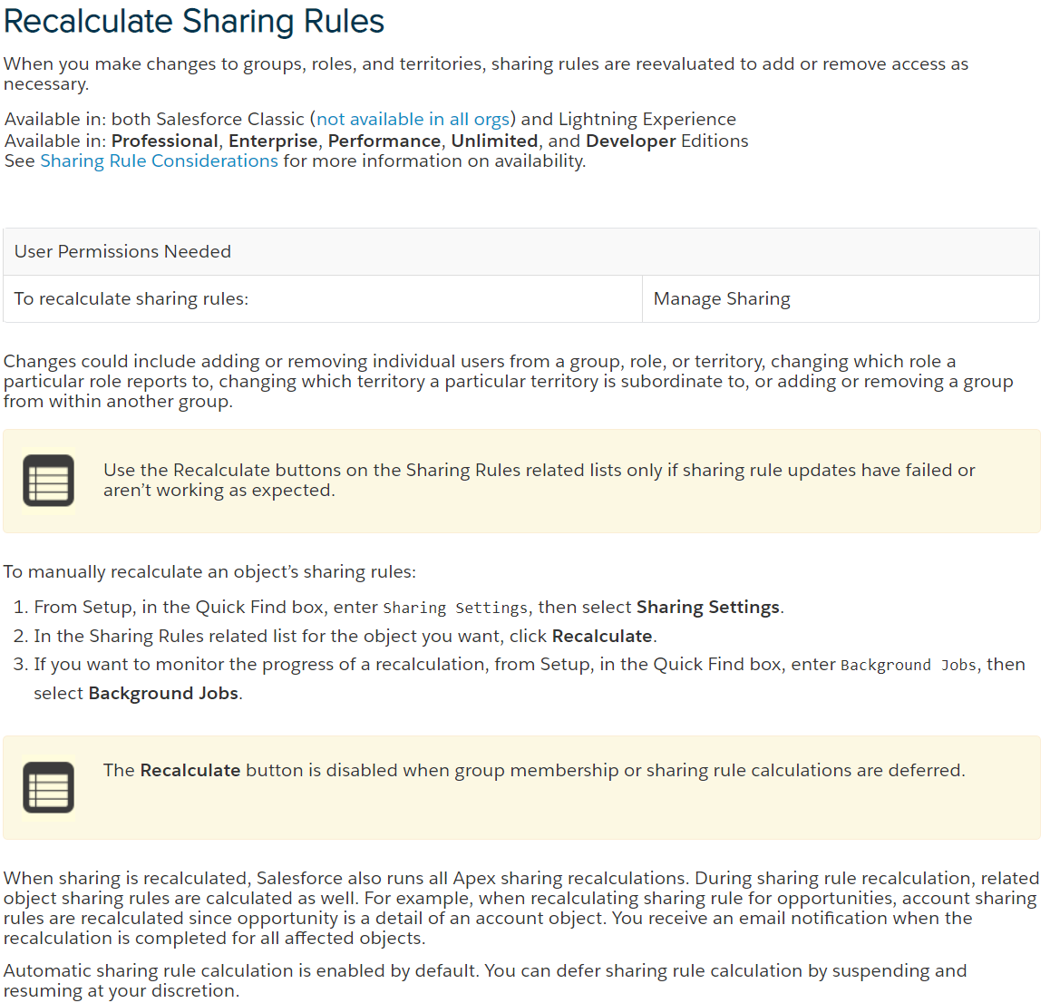
How many ways we can change the owner of the record?
Transfer permission at Profile level (Lead and Cases)
Mass Transfer
Change Owner

What happens when user changes their permissions?
user may be deactivated
user may be change the role. Ex: Sales Rep to Manager
user may be added/removed from the public group
user permissions may be modified to View All/modified All (by updating profile or assigned new profile or changed permissions through permissionsets)
role and its subordinates may change related to the user, then system will perform the sharing calculations

What happens if record owner changes?
let say, user has multiple records and each record has multiple related lists, then if system admin changes the parent record owner to some other user, how much time system will take to calculate the sharing calculations?
If record assigned to the user, if that user is a part of role then system will perform permissions to their superiors in the hirarchy
If record assigned to the user, if that user is a part of group then also system will perform permissions to their superiors in the hirarchy (if user is a part of role hierrachy)

Type of users
